Calculator
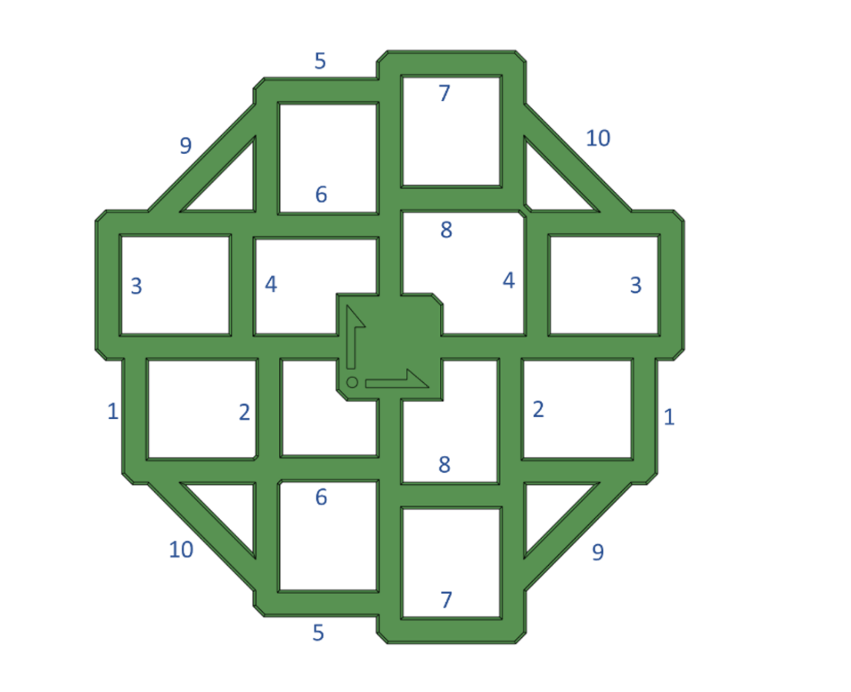
Measurements
 | Reading 1 | Reading 2 | Reading 3 | Average
1 | 99.25 | 99.32 | 99.29 | 99.29
2 | 49.72 | 49.69 | 49.7 | 49.70
3 | 100.07 | 100.05 | 100.08 | 100.07
4 | 49.63 | 49.79 | 49.7 | 49.71
5 | 100.41 | 100.35 | 100.42 | 100.39
6 | 50.18 | 50.26 | 50.2 | 50.21
7 | 99.93 | 100 | 100.19 | 100.04
8 | 50.03 | 50.11 | 50.11 | 50.08
9 | 99.91 | 99.83 | 99.84 | 99.86
10 | 99.9 | 99.93 | 99.85 | 99.89

Results
 | Error | Correction
X | -0.46% | 0.46%
Y | 0.26% | -0.26%

Skew | -0.02° | 0.02°

Fix Skew
Klipper G Code Fix

 | SET_SKEW XY=99.89,99.86,69.68
 | SKEW_PROFILE SAVE=my_skew_profile

Marlin Firmware Adjustment

 | if ENABLED(SKEW_CORRECTION)
 | define XY_SKEW_FACTOR 0.02

